Sheet1
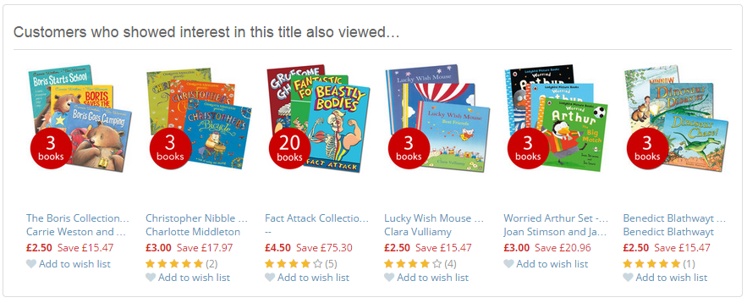
Pages containing product recommendations

Page type | Number of recommendation sections | URL
Home page | 3 | http://www.thebookpeople.co.uk/webapp/wcs/stores/servlet/qs_home_tbp?storeId=10001&catalogId=10051&langId=100
Product pages | 2 | any containing "qs_product_tbp" e.g. http://www.thebookpeople.co.uk/webapp/wcs/stores/servlet/qs_product_tbp?productId=439365&storeId=10001&catalogId=10051&langId=100
Category pages | Variable | any containing "CategoryDisplay"
 |  | Can be "landing page style" e.g. http://www.thebookpeople.co.uk/webapp/wcs/stores/servlet/CategoryDisplay?storeId=10001&catalogId=10051&langId=100&categoryId=116707
 |  | Or can be list style e.g. http://www.thebookpeople.co.uk/webapp/wcs/stores/servlet/CategoryDisplay?storeId=10001&catalogId=10051&langId=100&categoryId=136573&topCatId=116707
Added to basket | 2 | Contains "qs_addedToBasket_tbp". Visit any product page and add to basket to see page
Basket page | 1 | contains "checkout_basket"
Search results | 1 (at the bottom) | Contains "qs_searchResult_tbp" e.g. http://www.thebookpeople.co.uk/webapp/wcs/stores/servlet/qs_searchResult_tbp?catalogId=10051&langId=100&storeId=10001&filters=9books&searchTerm=purple

Example of 1 recommendation section

